Sheet1
款式 | 图 | 网址 | 评分
1 | 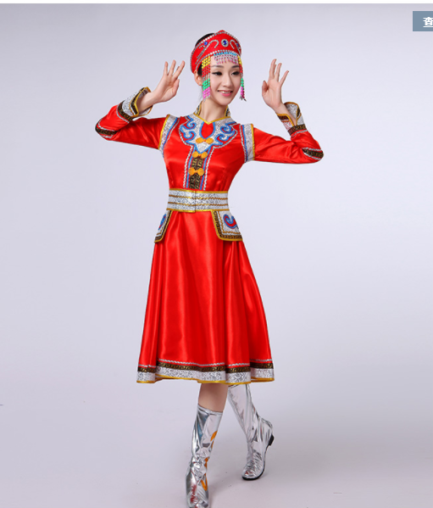 | https://item.taobao.com/item.htm?id=549183123260&ns=1&abbucket=10#detail
2 | 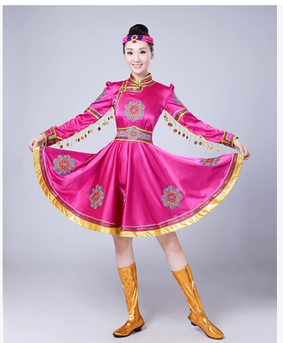 | https://item.taobao.com/item.htm?id=557310078271&scm=1007.12144.81309.42296_42296&pvid=ae706410-706a-41e1-ab93-3e7bf9939e68
3 | 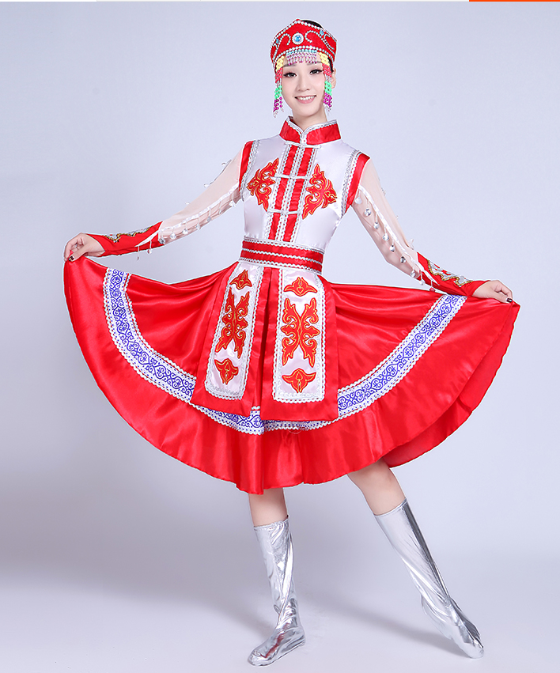 | https://item.taobao.com/item.htm?id=561337340807&ns=1&abbucket=10#detail
4 | 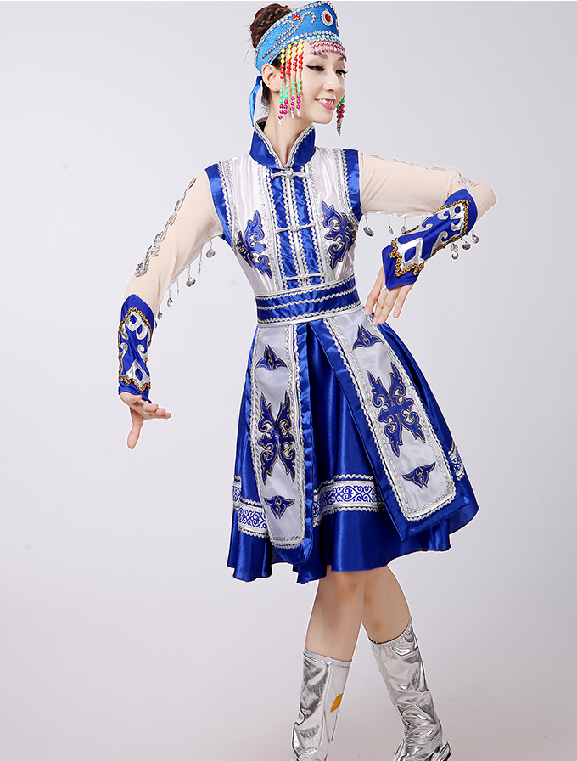 | https://item.taobao.com/item.htm?id=561337340807&ns=1&abbucket=10#detail

